Overall Process
Raw Files from SharePoint for CDH
Name | Email Address | Role
Peter de Jong | pdejong@ccep.com | Planning Head
Stan Mulder | smulder@ccep.com | KAM
Sandra den Hamer | sdenhamer@ccep.com | Planner Cold
Ellen Kemkes | ekemkes@ccep.com | Planner Home

CDH RUN
Work on CDH Master
 | CG Data Scientist
 | CCEP NL Demand Planners
 | CG Demand Planner

Validate CDH

CDH VIS to be uploaded in SharePoint

BRP NPI RUN
NPI File

Validate NPI BRP

Upload to NPI BRP SharePoint

Master for BRP
BRP RUN

Validate BRP

CLPR BRP meeting

POC RUN
POC Master

Validate POC

CLPR POC meeting

Disaggreation Master
Disaggreation RUN

Validate disaggreation

Proposed Vs Current file

Feedback from Planners
Uploaded in SharePoint Propoased Vs Current File

Feedback from Planner

Upload File Part 1

Share file to SAP APO team

Validate the Stats forecast Part 1

Upload File Part 2

Share file to SAP APO team

Validate the Stats forecast for Part 2

Master CDH
Raw files from SharePoint
Master file with you

Active list with NPI Tab
Promotions and non-promo anomalies
Supply disruptions
Weather
4 day weeks
Actuals sales till last week (SAP APO dump)
Conversion Factor (Data should include NPI)
SAP and L2 Hierarchies (Data should include NPI)

Note:
 | Do not add extra column in the CDH Master
 | Check all the SKU available in Conversion and SAP & L2 Hierarchies, if unavailable mail to Stan

BRP Master and File
Master creation for BRP
DUMP from SAP APO

Future forecast
EXPOST_MASTER_NL
MODEL_CHANGE_MASTER_NL
PAST_FORECAST_SHEET_NL
PRODUCT_MASTER_NL
REASON_CODING_NL
REFERENCE_SHEET_NL

Note:
 | Family ID to be in Captial | Ex. | NL|2301|L5_COLD
 | Check L3 level ID is not repeated in L5 level
 | Do not add extra column in Master

POC Master and File
Master creation for POC
DUMP from SAP APO
DUMP from SAP APO

Future forecast
EXPOST_MASTER_NL
PRODUCT_MASTER_NL
Past forecast sheet

Note: | Do not add extra column in the POC Master

BRP and Simulation file
Model Simultaion file
1) BRP_DB3 paste into DB tab
Output by R-script
L3 Level
1) DB3
2) Comments_DB
L5 Level
1) DB3
2) Comments_DB
BRP file
1) DB3 to be paste into BRP_DB3 tab
2) Comments _DB to paste into current comment tab

1) Go to BRP tab > Sales Vs Baseline Graph
Long term view to 2021 Year
Forecast start week will be upload week of that cycle
2) Go to Pivot tab > Current Year Mon/Year Week to start of week proposed forecast
1) Go into Model Simulation tab and change Current Year and Week to NL upload week

Note: | To not change the BRP tabs

POC and alternative file
Output by R-script
L3 Level
1) Dump_Junk
2) Alternative_Model_File
3)FUTURE_FORECAST_SHEET_NL
L5 Level
1) Dump_Junk
2) Alternative_Model_File
3)FUTURE_FORECAST_SHEET_NL
POC file
1) Dump_Junk to be paste into POC_Data tab
2) FUTURE_FORECAST_SHEET_NL
to pasted in the column Forecast Baseline
Alternative file
1) Alternative_Model_File to be pasted into All_Model_Baselines

1) Go to Pivot tab > Current Year Week chnage to last week of CDH
2) Go to POC_Comment tab> press Unique SKU button
1) Go to Seasonal tab > Long term view change From Year to 2022 and BF Starts to upload week of planning cycle

Note: | To not change the POC tabs

SAP path
General Log In
WorkSpaces > 200 Legacy CCE > Filter item> PB1 > User > Password > RSA1

Actual Sales data
Sales Organization
Material
L2 Customer Account
Fiscal Year/Period
Unit of Measure
Actual Sales
Open Sales
Sales Organization >2152
Fiscal Year/Period WWW.YYYY to WWW.YYYY
Tick Use DB aggreation
Remove Max No Hits 200
ZDP_ACTLS > Display Data > Fld Selectn for Output >

Sales Organization >2152
Fiscal Year/Period WWW.YYYY to WWW.YYYY
Tick Use DB aggreation
Remove Max No Hits 200
Sales Organization
Material
L2 Customer Account
Fiscal Year/Period
Unit of Measure
Forecast Baseline
Statistical Forecast
Sales Organization
Material
L2 Customer Account
Fiscal Year/Period
Unit of Measure
Forecast Baseline
Statistical Forecast

Future Forecast
ZDP_GLFC > Display Data > Deselect all> Characteristic Selection> Fld Selectn for Output >

Sales Organization
Material
L2 Customer Account
Fiscal Year/Period
Unit of Measure
DP Version
Forecast Baseline
Statistical Forecast
Sales Organization
Material
L2 Customer Account
Fiscal Year/Period
Unit of Measure
DP Version
Forecast Baseline
Statistical Forecast
Sales Organization >2152
Fiscal Year/Period WWW.YYYY to WWW.YYYY
DP Version WWW.YYYY to WWW.YYYY (past 26 Wks from Current Wk)
Tick Use DB aggreation
Remove Max No Hits 200
Past Forecast Sheet
ZDP_REPTG > Display Data > Deselect all> Characteristic Selection> Fld Selectn for Output >

NPI BRP
Output by R-script
NPI_Forecast_Output
NPI BRP file
NPI_Forecast_Output
from R-script paste in NPI_Forecast_Output Tab

1) Go to Main tab > Long Term Chart Graph
>Change Chart Start to 2022
>Forecast starts from: Upload week of that cycle

RStudio
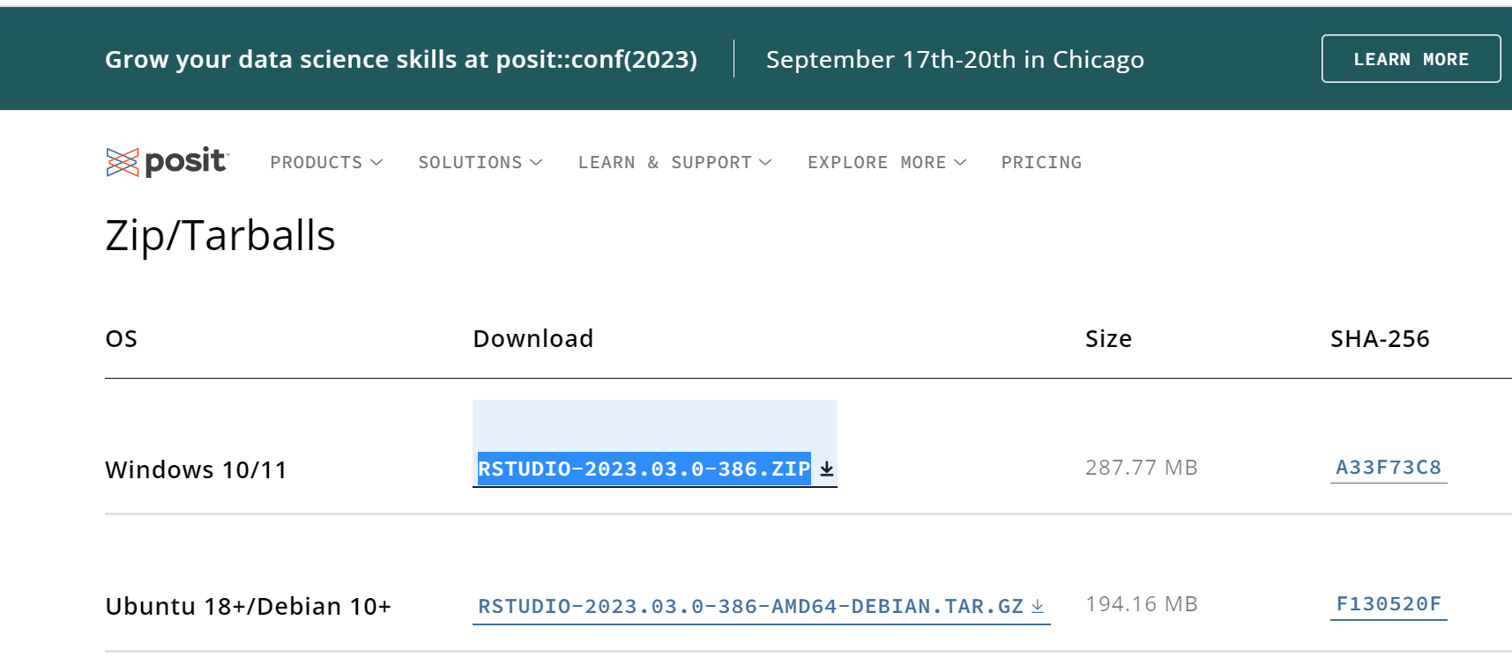
R Console | https://cran.r-project.org/bin/windows/base/

 | Clkick on the blue highlighted hyperlink

R Studio | https://posit.co/download/rstudio-desktop/

 | Download the R studio Zip folder and start installing the R studio aftyer R console is installed in the system.

